Instructions & Links
General Instructions: | Links:

Data entry in the Master Observations form | The Avalanche Form:
1. Press the Master Observations tab | aavalanche_obsv.xls
2. Place your cursor within the data section
3. Press Data on the Menu bar; then Press Form | The Snow Pack Profile Form:
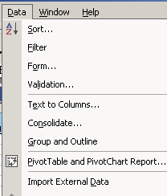
 | aPit_v2_250.xls

 | The ArcMap Project File: [link not working yet :( ]
 | snow_ranger.mxd

4. Press NEW to add new records - press TAB to move to each field - press ENTER when record complete
5. You can also just add records directly in the spreadsheet, if you do,
6. You will want to be aware that both the AVALANCHE and SNOW PROFILE fields are hyperlinked
7. Avalanche and Snow Profile get a number indicating how many you have for that date
8. To enter a number in either field, you must click and hold
9. You don't need to worry if you use the FORM

For Data Query
1. Press CRITERIA to query existing records while in the form
2. Enter a value in a field that you want to query on then press enter
3. The form will bring up the first record that meets your criteria and will tell you which record it is - Upper Right corner
4. Another way to query is to Press EDIT on the menu bar - followed by FIND
5. You have different ways to perform a query; you can limit it to a column or
6. You can search the entire worksheet; you can use a "*" wildcard
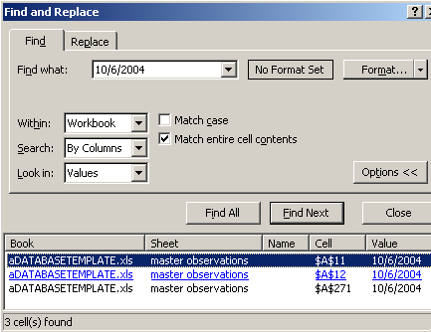

 | Notice this tells you how many records
 | meet your criteria and which records they are
 | and they are hyperlinked so you can get right to them.

To Generate MONTHLY SUMMARIES
1. Press the Summary Sheet tab
2. Have the cursor within the table so the PIVOT Table tool bar is showing

3. Press the "Brown Exclamation" to Update the Summary
4. Notice on the Summary table there are DROP DOWN lists
5. This means you can select which data to summarize

